Dashboard
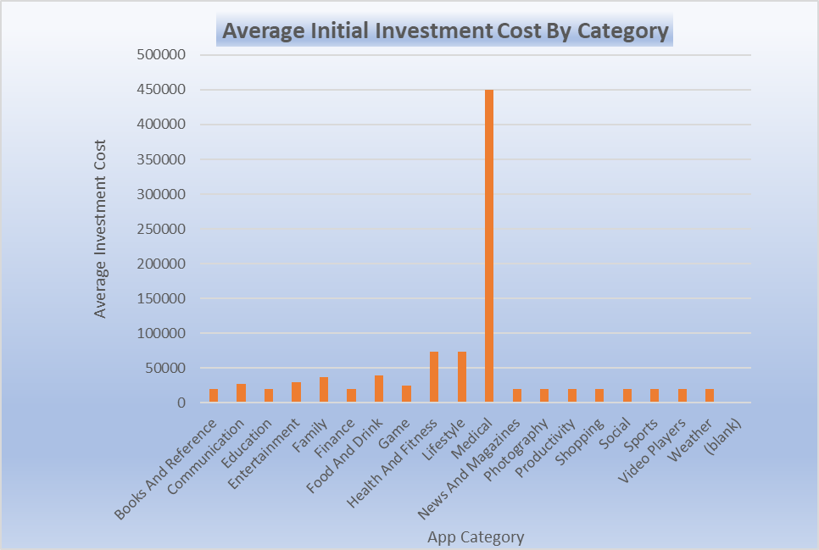
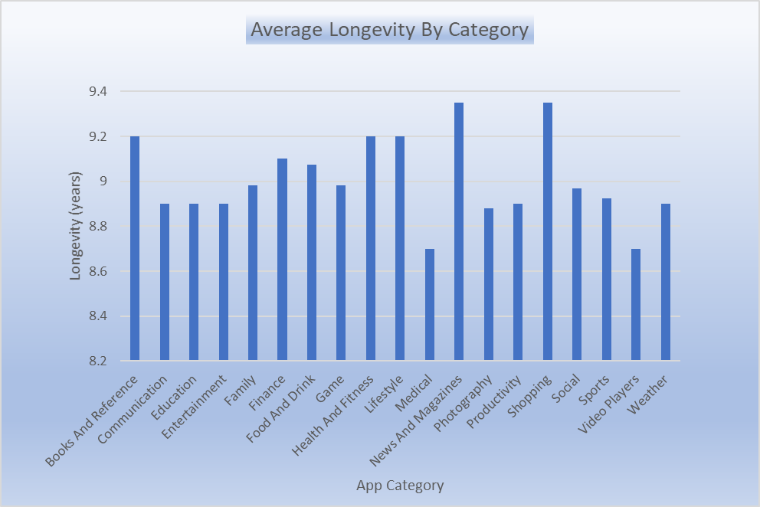
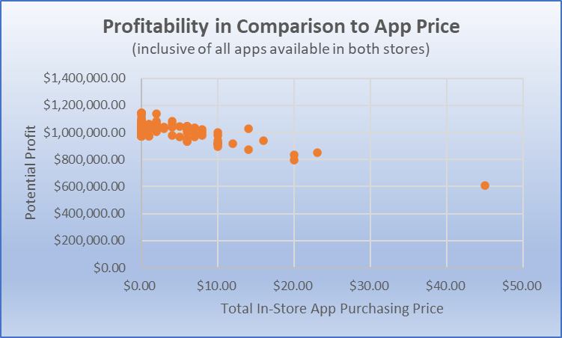



User Engagement (total reviews) by Top 10 Game Sub-Genres
 | total_reviews
Role Playing Games | 9835155
Puzzle Games | 9962579
Sports Games | 10308841
Adventure Games | 11445045
Simulation Games | 12798545
Racing Games | 34835983
Action Games | 52603666
Strategy Games | 79219668
Arcade Games | 87989863
Casual Games | 100072472
Top 10 Immediate App Investment Recommendations
App Name | Potential Profit | Number of Play Store installations | Total Number of User Reviews | Average User Rating | App Genre
ASOS | $1,146,400.00 | 10,000,000 | 191,523 | 4.9 | Shopping
Domino's Pizza USA | $1,146,400.00 | 10,000,000 | 1,291,559 | 4.9 | Food & Drink
PewDiePie's Tuber Simulator | $1,146,400.00 | 10,000,000 | 1,590,317 | 4.9 | Game
Egg, Inc. | $1,146,400.00 | 5,000,000 | 659,234 | 4.9 | Game
The Guardian | $1,146,400.00 | 5,000,000 | 256,168 | 4.9 | News
Cytus | $1,136,500.00 | 5,000,000 | 549,657 | 4.9 | Game
Geometry Dash Lite | $1,124,800.00 | 100,000,000 | 6,552,010 | 4.8 | Game
Fernanfloo | $1,103,200.00 | 10,000,000 | 529,481 | 4.7 | Game
Clash of Clans | $1,081,600.00 | 100,000,000 | 47,022,528 | 4.6 | Game
Clash Royale | $1,081,600.00 | 100,000,000 | 23,403,656 | 4.6 | Game

Sheet3
User Engagement (total reviews) by Top 10 Game Sub-Genres
Genre | total_reviews | avg_potential_profit
Casual Games | 100072472 | $20,000.00 | 1051105.88 | Genre | total_reviews
Arcade Games | 87989863 | $21,466.67 | 1043333.33 | Role Playing Games | 9835155
Strategy Games | 79219668 | $43,581.82 | 1012854.55 | Puzzle Games | 9962579
Action Games | 52603666 | $32,623.33 | 1018576.67 | Sports Games | 10308841
Racing Games | 34835983 | $24,141.67 | 1034258.33 | Adventure Games | 11445045
Simulation Games | 12798545 | $39,955.56 | 1044844.44 | Simulation Games | 12798545
Adventure Games | 11445045 | $54,200.00 | 902371.43 | Racing Games | 34835983
Sports Games | 10308841 | $22,200.00 | 1029000 | Action Games | 52603666
Puzzle Games | 9962579 | $31,063.64 | 1031263.64 | Strategy Games | 79219668
Role Playing Games | 9835155 | $69,000.00 | 995290.91 | Arcade Games | 87989863
Trivia Games | 6821242 | $20,000.00 | 1060000 | Casual Games | 100072472
Adventure;Action & Adventure Games | 4637302 | $59,900.00 | 976900
Card Games | 2442236 | $20,000.00 | 995200
Puzzle;Action & Adventure Games | 1650667 | $20,000.00 | 1038400
Music Games | 1346250 | $24,950.00 | 1033450
Board Games | 1168801 | $39,900.00
Racing;Action & Adventure Games | 1042617 | $20,000.00
Puzzle;Brain Games Games | 965675 | $29,900.00
Arcade;Action & Adventure Games | 725315 | $20,000.00
Card;Brain Games Games | 679740 | $20,000.00
Educational;Action & Adventure Games | 678241 | $20,000.00
Simulation;Action & Adventure Games | 534519 | $20,000.00
Casual;Action & Adventure Games | 425128 | $20,000.00
Casual;Pretend Play Games | 390214 | $59,900.00
Entertainment;Brain Games Entertainment | 126015 | $20,000.00
Sports;Action & Adventure Games | 78092 | $99,800.00
Action;Action & Adventure Games | 77038 | $20,000.00
Board;Action & Adventure Games | 73776 | $20,000.00
Simulation;Education Games | 35449 | $79,800.00
Board;Brain Games Games | 2734 | $59,800.00

